Thermistor Information
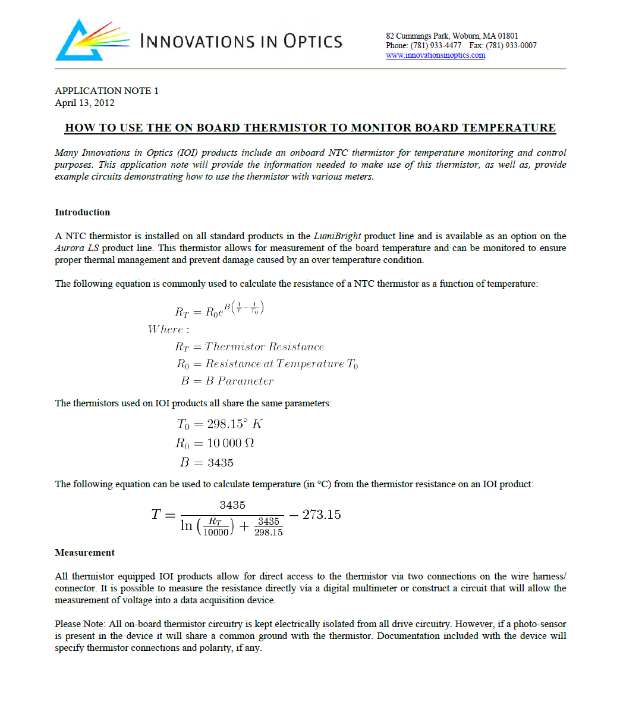

Board Temperature vs. Thermistor Impeadance
 |  |  |  |  | Chart Data
 |  |  |  |  | Thermistor Impeadance | Temperature
 |  |  |  |  | 15000 | 14.863807085
 |  |  |  |  | 14900 | 15.025430376
 |  |  |  |  | 14800 | 15.188325381
 |  |  |  |  | 14700 | 15.352510908
 |  |  |  |  | 14600 | 15.518006172
 |  |  |  |  | 14500 | 15.68483081
 |  |  |  |  | 14400 | 15.853004892
 |  |  |  |  | 14300 | 16.022548936
 |  |  |  |  | 14200 | 16.193483916
 |  |  |  |  | 14100 | 16.365831282
 |  |  |  |  | 14000 | 16.539612968
 |  |  |  |  | 13900 | 16.714851414
 |  |  |  |  | 13800 | 16.891569571
 |  |  |  |  | 13700 | 17.069790928
 |  |  |  |  | 13600 | 17.249539521
 |  |  |  |  | 13500 | 17.43083995
 |  |  |  |  | 13400 | 17.613717402
 |  |  |  |  | 13300 | 17.798197664
 |  |  |  |  | 13200 | 17.984307146
 |  |  |  |  | 13100 | 18.172072895
 |  |  |  |  | 13000 | 18.361522625
 |  |  |  |  | 12900 | 18.552684728
 |  |  |  |  | 12800 | 18.745588305
 |  |  |  |  | 12700 | 18.940263183
 |  |  |  |  | 12600 | 19.136739943
 |  |  |  |  | 12500 | 19.335049944
 |  |  |  |  | 12400 | 19.535225348
 |  |  |  |  | 12300 | 19.73729915
 |  |  |  |  | 12200 | 19.941305205
Thermistor Impeadance to Temperature Conversion Equation: |  | Calculate Board Temperature: |  |  | 12100 | 20.147278255
 | ENTER VALUE | Thermistor Impeadance | 10.00 | kOhms | 12000 | 20.355253965
The below equation can be used to convert thermistor impeadance in ohms into temperature measured in celsius. Replace INSERT VALUE HERE with desired value or cell reference. |  | Board Temp.= | 25.0 | °C | 11900 | 20.565268954
 |  |  |  |  | 11800 | 20.777360826
 |  |  |  |  | 11700 | 20.991568207
 |  |  |  |  | 11600 | 21.207930784
 |  |  |  |  | 11500 | 21.426489339
3435 / (LN( INSERT VALUE HERE / 10000) + 3435 / 298.15) - 273.15 |  |  |  |  | 11400 | 21.647285793
 |  |  |  |  | 11300 | 21.870363248
 |  |  |  |  | 11200 | 22.095766028
 |  |  |  |  | 11100 | 22.323539727
 |  |  |  |  | 11000 | 22.55373126
 |  |  |  |  | 10900 | 22.786388907
 |  |  |  |  | 10800 | 23.021562374
 |  |  |  |  | 10700 | 23.259302841
 |  |  |  |  | 10600 | 23.499663027
 |  |  |  |  | 10500 | 23.742697246
 |  |  |  |  | 10400 | 23.988461473
 |  |  |  |  | 10300 | 24.237013412
 |  |  |  |  | 10200 | 24.488412569
 |  |  |  |  | 10100 | 24.742720322
 |  |  |  |  | 10000 | 25
 |  |  |  |  | 9900 | 25.26031697
 |  |  |  |  | 9800 | 25.52373872
 |  |  |  |  | 9700 | 25.790334951
 |  |  |  |  | 9600 | 26.060177674
 |  |  |  |  | 9500 | 26.333341312
 |  |  |  |  | 9400 | 26.609902805
 |  |  |  |  | 9300 | 26.889941729
 |  |  |  |  | 9200 | 27.173540407
 |  |  |  |  | 9100 | 27.460784046
 |  |  |  |  | 9000 | 27.751760859
 |  |  |  |  | 8900 | 28.046562218
 |  |  |  |  | 8800 | 28.345282796
 |  |  |  |  | 8700 | 28.648020729
 |  |  |  |  | 8600 | 28.954877784
 |  |  |  |  | 8500 | 29.265959538
 |  |  |  |  | 8400 | 29.581375567
 |  |  |  |  | 8300 | 29.901239647
 |  |  |  |  | 8200 | 30.225669972
 |  |  |  |  | 8100 | 30.554789376
 |  |  |  |  | 8000 | 30.888725581
 |  |  |  |  | 7900 | 31.227611453
 |  |  |  |  | 7800 | 31.57158528
 |  |  |  |  | 7700 | 31.920791065
 |  |  |  |  | 7600 | 32.275378839
 |  |  |  |  | 7500 | 32.635505001
 |  |  |  |  | 7400 | 33.001332675
 |  |  |  |  | 7300 | 33.373032097
 |  |  |  |  | 7200 | 33.750781028
 |  |  |  |  | 7100 | 34.134765196
 |  |  |  |  | 7000 | 34.525178775
 |  |  |  |  | 6900 | 34.922224892
 |  |  |  |  | 6800 | 35.326116184
 |  |  |  |  | 6700 | 35.737075387
 |  |  |  |  | 6600 | 36.155335978
 |  |  |  |  | 6500 | 36.581142865
 |  |  |  |  | 6400 | 37.014753137
 |  |  |  |  | 6300 | 37.456436869
 |  |  |  |  | 6200 | 37.906478001
 |  |  |  |  | 6100 | 38.365175287
 |  |  |  |  | 6000 | 38.832843327
 |  |  |  |  | 5900 | 39.309813693
 |  |  |  |  | 5800 | 39.79643615
 |  |  |  |  | 5700 | 40.293079995
 |  |  |  |  | 5600 | 40.800135508
 |  |  |  |  | 5500 | 41.318015557
 |  |  |  |  | 5400 | 41.847157339
 |  |  |  |  | 5300 | 42.388024306
 |  |  |  |  | 5200 | 42.941108271
 |  |  |  |  | 5100 | 43.506931736
 |  |  |  |  | 5000 | 44.086050459
 |  |  |  |  | 4900 | 44.67905629
 |  |  |  |  | 4800 | 45.286580314
 |  |  |  |  | 4700 | 45.909296342
 |  |  |  |  | 4600 | 46.547924796
 |  |  |  |  | 4500 | 47.203237034
 |  |  |  |  | 4400 | 47.876060191
 |  |  |  |  | 4300 | 48.5672826
 |  |  |  |  | 4200 | 49.277859883
 |  |  |  |  | 4100 | 50.008821805
 |  |  |  |  | 4000 | 50.761280023
 |  |  |  |  | 3900 | 51.536436856
 |  |  |  |  | 3800 | 52.335595254
 |  |  |  |  | 3700 | 53.160170156
 |  |  |  |  | 3600 | 54.011701483
 |  |  |  |  | 3500 | 54.891869049
 |  |  |  |  | 3400 | 55.802509745
 |  |  |  |  | 3300 | 56.745637401
 |  |  |  |  | 3200 | 57.723465871
 |  |  |  |  | 3100 | 58.73843596
 |  |  |  |  | 3000 | 59.793246984
 |  |  |  |  | 2900 | 60.890893953
 |  |  |  |  | 2800 | 62.03471162
 |  |  |  |  | 2700 | 63.228426931
 |  |  |  |  | 2600 | 64.476221908
 |  |  |  |  | 2500 | 65.782809487
 |  |  |  |  | 2400 | 67.153525666
 |  |  |  |  | 2300 | 68.594442291
 |  |  |  |  | 2200 | 70.112506266
 |  |  |  |  | 2100 | 71.715712888
 |  |  |  |  | 2000 | 73.413323793
 |  |  |  |  | 1900 | 75.216143901
 |  |  |  |  | 1800 | 77.136877431
 |  |  |  |  | 1700 | 79.19059148
 |  |  |  |  | 1600 | 81.395328261
 |  |  |  |  | 1500 | 83.772926556
 |  |  |  |  | 1400 | 86.350143587
 |  |  |  |  | 1300 | 89.160218119
 |  |  |  |  | 1200 | 92.24509851
 |  |  |  |  | 1100 | 95.658702819
 |  |  |  |  | 1000 | 99.471836314
 |  |  |  |  | 900 | 103.77987915
 |  |  |  |  | 800 | 108.71532961
 |  |  |  |  | 700 | 114.46936236
 |  |  |  |  | 600 | 121.33136142
 |  |  |  |  | 500 | 129.76770223
 |  |  |  |  | 400 | 140.5972179
 |  |  |  |  | 300 | 155.44877784
 |  |  |  |  | 200 | 178.28769415

Application Circuit 1
Circuit 1 uses a voltage divider to measure the impeadance of the thermistor installed on the board. By convention at Innovations in Optics, Inc. one side of the thermistor device is tied to ground on the LED Device. Device pinouts will reference "Thermistor Pin 1" and either "Cathode Pin" or "Ground". Please note, as shown in Chart 1, that this means that as the temperature measured at V1 decreases the board temperature is increasing.

 |  |  |  |  | Chart Data
 |  |  |  |  | Board Temp. | TH1 | V1
 |  |  |  |  | 0 | 28.70429039 | 3.7081535536
 |  |  |  |  | 5 | 22.896644571 | 3.4800881472
 |  |  |  |  | 10 | 18.410437653 | 3.2400834295
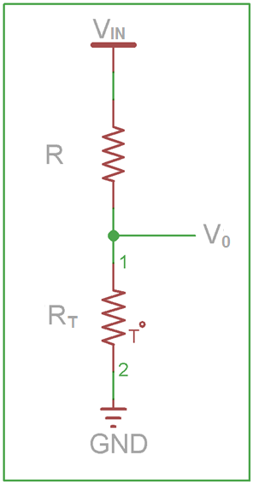
 |  |  |  |  | 15 | 14.915682622 | 2.9932317826
 |  |  |  |  | 20 | 12.17140541 | 2.7448430049
 |  |  |  |  | 25 | 10 | 2.5
Chart 1: V0 vs. Board Temperature
 |  | Constants |  |  | 30 | 8.2694076928 | 2.2631843987
 | ENTER VALUE | VIN | 5.00 | Volts | 35 | 6.8806094206 | 2.0380216286
 | ENTER VALUE | R | 10.00 | kOhms | 40 | 5.7587632433 | 1.8271621809
 |  |  |  |  | 45 | 4.8468674272 | 1.6322862216
 |  |  |  |  | 50 | 4.1011899011 | 1.4541999398
 |  | Calculate V1: |  |  | 55 | 3.4879442542 | 1.2929858652
 | ENTER VALUE | Board Temp. | 85.00 | °C | 60 | 2.9808530229 | 1.1481730121
 |  | RT | 1.45 | kOhms | 65 | 2.5593477741 | 1.0189015465
 |  | V0= | 0.63 | Volts | 70 | 2.2072298352 | 0.90406663304
 |  |  |  |  | 75 | 1.9116667787 | 0.80243462742
 |  |  |  |  | 80 | 1.6624354223 | 0.7127308157
 |  | Calculate Board Temperature: |  |  | 85 | 1.4513470874 | 0.63370146601
 | ENTER VALUE | V0 | 0.60 | Volts | 90 | 1.2718085217 | 0.56415459828
 |  | RT | 1.36 | kOhms | 95 | 1.1184844547 | 0.5029842238
 |  | Board Temp.= | 87.3 | °C | 100 | 0.98703676846 | 0.4491824271
 |  |  |  |  | 105 | 0.87392177076 | 0.40184295472
 |  |  |  |  | 110 | 0.77623178529 | 0.36015919143
 |  |  |  |  | 115 | 0.69157073472 | 0.32341867808
 |  |  |  |  | 120 | 0.61795593619 | 0.29099571514
 |  |  |  |  | 125 | 0.5537402156 | 0.26234311452
 |  |  |  |  | 130 | 0.4975498509 | 0.23698380001
 |  |  |  |  | 135 | 0.44823490639 | 0.21450269371
 |  |  |  |  | 140 | 0.40482931233 | 0.19453914148
 |  |  |  |  | 145 | 0.36651864361 | 0.17678000504
 |  |  |  |  | 150 | 0.33261400772 | 0.16095346612

 |  |  |  |  | 85.00 | 0.25
 |  |  |  |  | 85.00 | 4.75

 |  |  |  |  | 5 | 0.60
 |  |  |  |  | 145 | 0.60

